Cover page
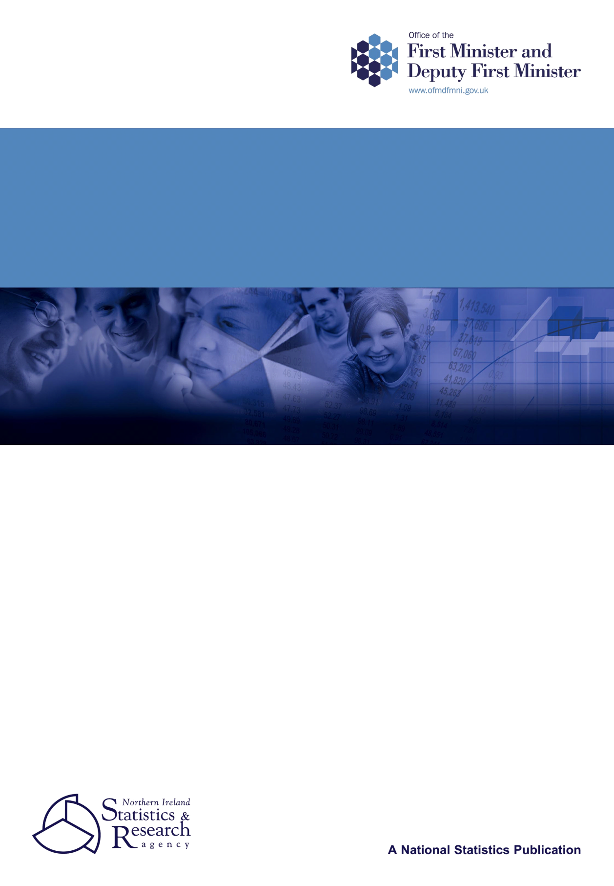

GOOD RELATIONS INDICATORS - 2012
UPDATE

January 2013

OFMDFM
NISRA Research Branch

R
S

Index & notes
Good Relations Indicators - 2012 Update

Index

Priority outcome 1: Northern Ireland society is free from racism, sectarianism and prejudice

Priority outcome 2: All places are shared, inclusive and welcoming for everyone

Priority outcome 3: Positive and harmonious relationships exist between communities at interface areas

Priority outcome 4: Increased sharing in education

Priority outcome 5: Northern Ireland is a community where people of all backgrounds work, live, learn and play together

Priority outcome 6: All work places are safe and shared

Priority outcome 7: Minority ethnic people participate in public, political and economic life

Priority outcome 8: Minority ethnic people benefit from equality in health and welfare

Priority outcome 9: Northern Ireland is a place where cultural diversity is embraced, respected and valued

31st January 2013

Introduction
The Good Relations Indicators illustrate the state of good relations in Northern Ireland and facilitate monitoring over time. They were developed under a set of high level priority outcomes and offer a means to measure the progress being made towards achieving each of these outcomes. The indicators were first published in January 2007, setting the baseline for monitoring in subsequent years. OFMDFM Research Branch has further updated the indicators with the latest available information at the time of collation and the results are detailed in this set of summary tables. The baseline report has not been replicated in its entirety but should be referred to for details on historic trends and technical information: http://www.ofmdfmni.gov.uk/good-relations-report.pdf.
Notes:
The Northern Ireland Life and Times (NILT) survey did not run in 2011. Data from 2010 is the latest available.
** Cells with a value between 1 and 4 are anonymised and where the anonymised cell can be deduced from the totals, the next smallest cells will also be anonymised.
ª It is likely that the decrease in the number of faith/religion incidents and crimes from 2006/07 to 2007/08 is due to more accurate recording. There was a tendency in previous years for some police officers to mistakenly believe that these were related to sectarian incidents.
^{b} PSNI figures for attacks on symbolic premises have been collated from a variety of sources over the years. As a result of a review, PSNI introduced changes to improve the accuracy and reliability of the figures. These changes may in part account for the drop in the number of attacks from 2007 to 2008. The statistics on attacks on symbolic premises for 2008 and future years will be extracted from the PSNI's crime recording system and relate to all offences where a sectarian motivation has been recorded, occurring at symbolic premises and where the premises is the intended target. This ensures that PSNI figures on attacks on symbolic premises are included in the sectarian hate crime/incident figures. The PSNI's statistics on crimes with a sectarian motivation are derived from a motivation 'tick box' contained in the Occurrence Management Form which has to be completed by a police officer or member of police staff for each such reported crime. The correct application of a sectarian motivation is not quality assured by the PSNI's Central Statistics Branch, but quarterly audits are conducted to ensure that any under or over-recording is corrected. Data was previously reported on a calendar basis, but changed to financial year basis to be consistent and meaningful as these figures are now a subset of hate crime statistics which are reported on the same basis.
^{c} GAA: Gaelic Athletic Association; AOH: Ancient Order of Hibernians.
^{d} In 2005-2007 the preamble to the question specifically stated that 'The government has set some targets about the society that it wants Northern Ireland to become', however, the preamble to the question changed in 2008 so instead of highlighting government targets, the text, was 'People have ideas about the kind of society that it wants Northern Ireland to become.'
^{e} These figures vary from that shown in baseline indicator report; a change in methodology resulted in NITB revising figures.
^{f} A neutral space is defined as a place where there are no symbols on display of either Protestant or Catholic culture and traditions.
^{g} A shared space is defined as a place where you feel you can be open about your own cultural identity.
^{h} This indicator was originally worded so as to be specific to sectarian intimidation. In the early years of the SPED scheme the vast majority of cases handled would have been as a result of sectarian intimidation, however, the figures supplied cover all forms of serious intimidation.
^{i}Slight modification in 2007 wording in relation to Irish Travellers, changed from 'a resident in my local area' to the more specific 'living in a house as a resident in my local area
^{j} In 2006, 2007, 2008 and 2009 Chinese and Asian were given as examples, no examples were given in the 2005 question.
^{k} There may be more than one complaint raised by a claimant in a single IT claim. Claims to the FET do not generate more than one complaint.
^{l} Figures add up to more than 100% because people from an ethnic minority can also belong in either the protestant or catholic category.

